.. How it Works ..
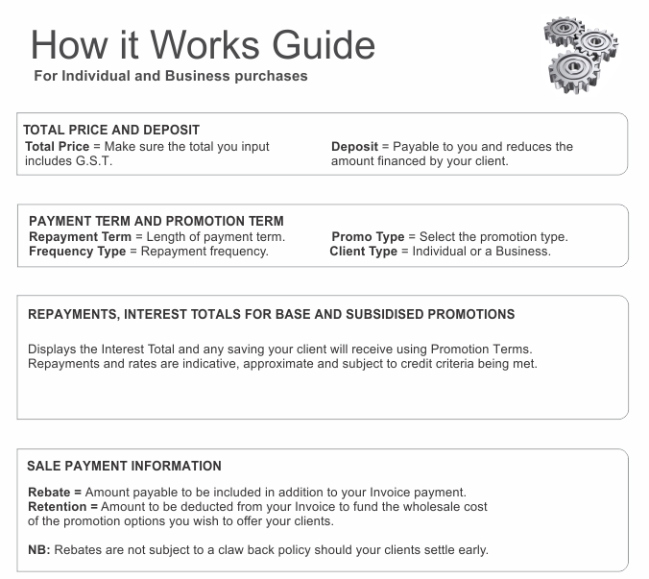
 |  |  |  |  |  |  |  |  |  |  | $500 to $25,000 purchases
 |  |  |  | Individual and Business Finance - Retailer Calculator Ver 10.5

Total Price Including GST |  |  | Deposit

$3,000.00 |  |  | $- | PROMOTIONAL PROCESSING OPTIONS - Grouped by Cost of Sale

Use the ORANGE input fields for calculations. All pull down options are selectable except N/A. Quoted Repayments, Rates and Interest Totals are to be treated as an indicative guide. |  |  |  | Use the pull down menu to select the options available

Repayment Term | Promo Type
 |  |  |  | You may also register for an additional loss leader landing page. NB: Retailer criteria will apply
Frequency Type | Client Type
 |  |  |  | Level 2 ( .5% Rebates to -2.5% Retentions )
Deferred Start with 0% Interest over the Deferred period over 24, 36 and 48 Month terms run at No Cost.

Weekly Repayments |  |  | $122.69 | 6 Month Payment Term with 2 Months 0% Interest |  |  |  | 24 Month Payment Term with 4 Months 0% Interest

Base Rate Interest Total |  |  | $238.18 |  | . | . | . |  | . | . | .
 |  |  |  |  | $500 to $25,000 | -2.50% | Retention |  | $500 to $25,000 | 0.00% | No Cost
Subsidised Rate and Interest Total |  | 10.42% | $66.52 |  | . | . | . |  | . | . | .

Interest Savings (Your Client Saves) |  |  | $171.66 | 12 Month Payment Term with 2 Months 0% Interest |  |  |  | 36 Month Payment Term with 6 Months 0% Interest

Sale payment information - If you need help - Ph 0800 74 11 11 - Ext 3. |  |  |  |  | . | . | . |  | . | . | .
 |  |  |  |  | $500 to $25,000 | 0.00% | No Cost |  | $500 to $6,000 | 0.00% | No Cost
Purchase Price - Deposit |  |  | $3,000.00 |  | . | . | . |  | $6,001 to $25,000 | 0.50% | Rebate

Retention % of Purchase Price - Deposit |  |  | -3.50% | 18 Month Payment Term with 4 Months 0% Interest |  |  |  | 48 Month Term with 9 Months 0% Interest

Retention amount to be deducted |  |  | -$105.00 |  | . | . | . |  | $500 to $3,000 | -2.50% | Retention
 |  |  |  |  | $500 to $25,000 | -2.50% | Retention |  | $3,001 to $6,000 | -2.40% | Retention
Total Payable to your Bank Account |  |  | $2,895.00 |  | . | . | . |  | $6,001 to $25,000 | -2.00% | Retention

A break down of each sale will be detailed in the Payment Notifications we send you. |  |  |  | REGISTER your Processing Level HERE… |  |  |  | www.creditcapable.co.nz/html/gold.html
For Questions and Queries please email… |  | accounts@creditcapable.co.nz
CAUTION: This correspondence with accompanying data contains information that is confidential, and subject to legal privilege. If you are not the intended recipient you are hereby notified – that any dissemination, distribution or copying of this information / data is: STRICTLY PROHIBITED.

